29 InformationRealization
Source: | http://ontologydesignpatterns.org/wiki/Submissions:Information_realization

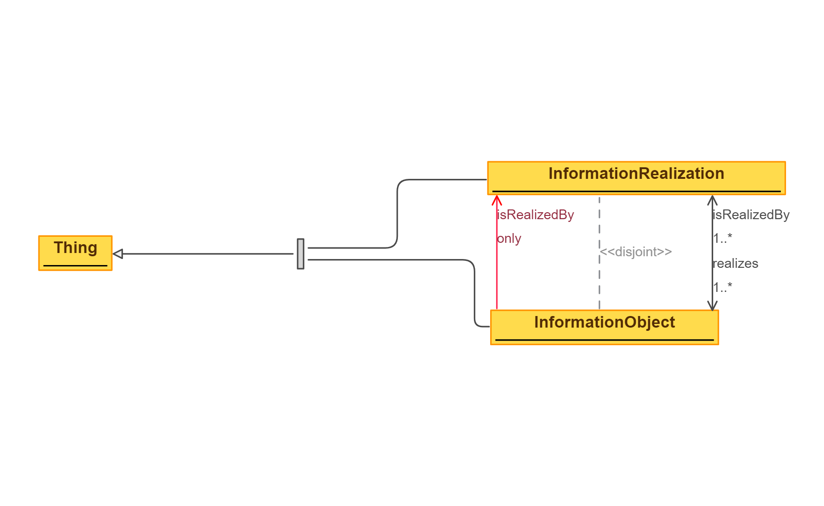
 | Triples |  | IMAGE
Node 1 | Edge | Node 2
Information object | is realized by | Information realization
Information realization | realizes | Information object
Information object | is realized by | Information realization
Information realization | realizes | Information object
Information object | is realized by | Information realization
Information realization | realizes | Information object
Information realization | realizes | Information object

45 Parameter - Removed Imports
Source: | http://ontologydesignpatterns.org/wiki/Submissions:Parameter

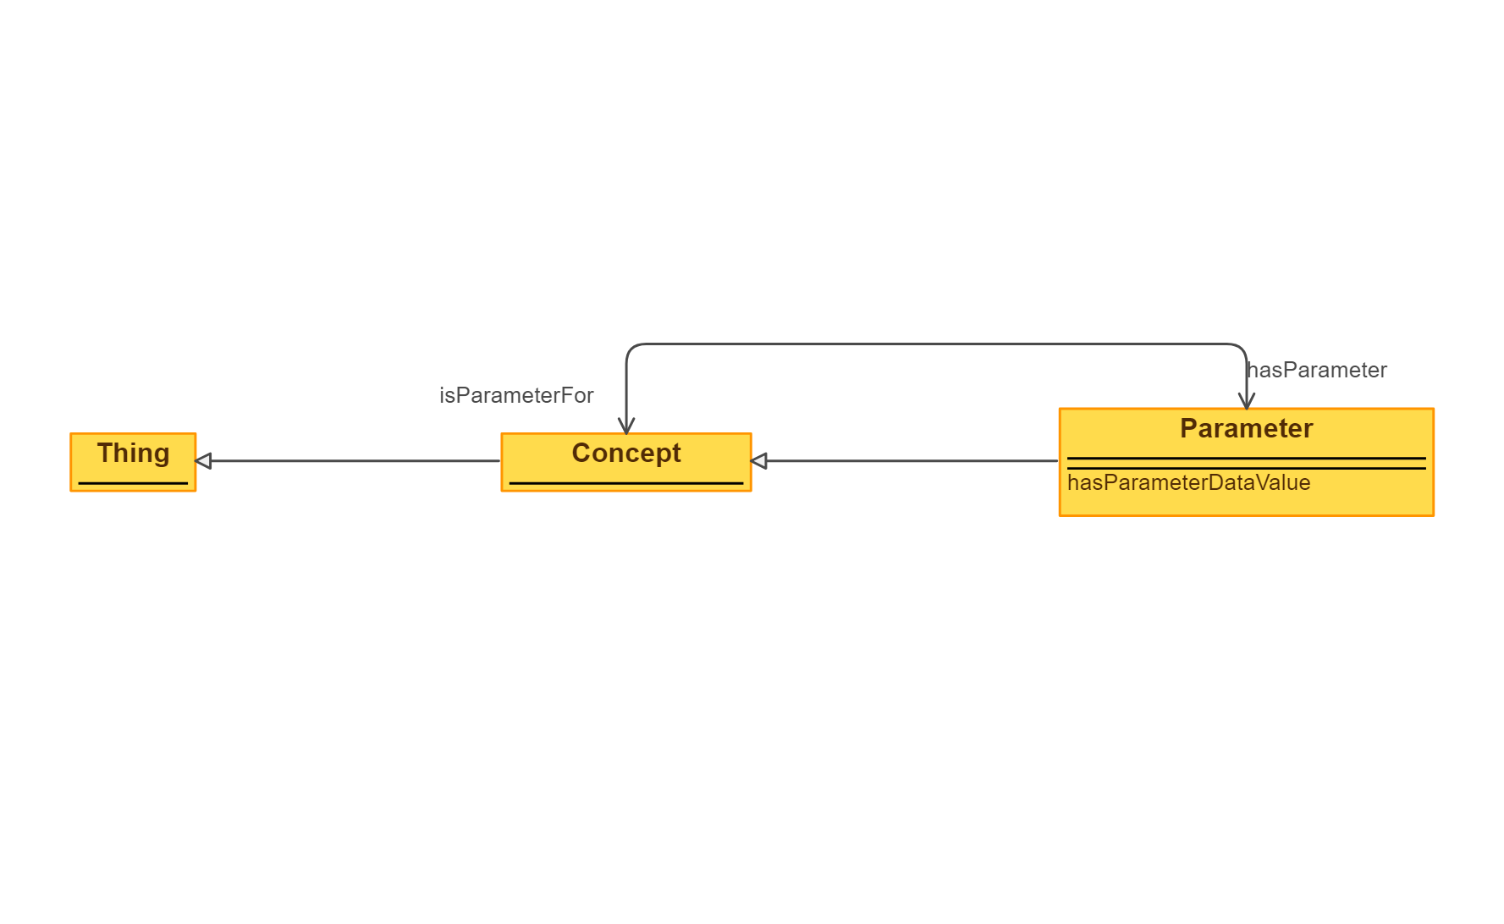
 | Triples |  | IMAGE
Node 1 | Edge | Node 2
Parameter | subClassOf | Concept
Parameter | is parameter for | Concept
Concept | has parameter | Parameter
Parameter | has parameter data value | Literal

47 Participation
Source: | http://ontologydesignpatterns.org/wiki/Submissions:Participation

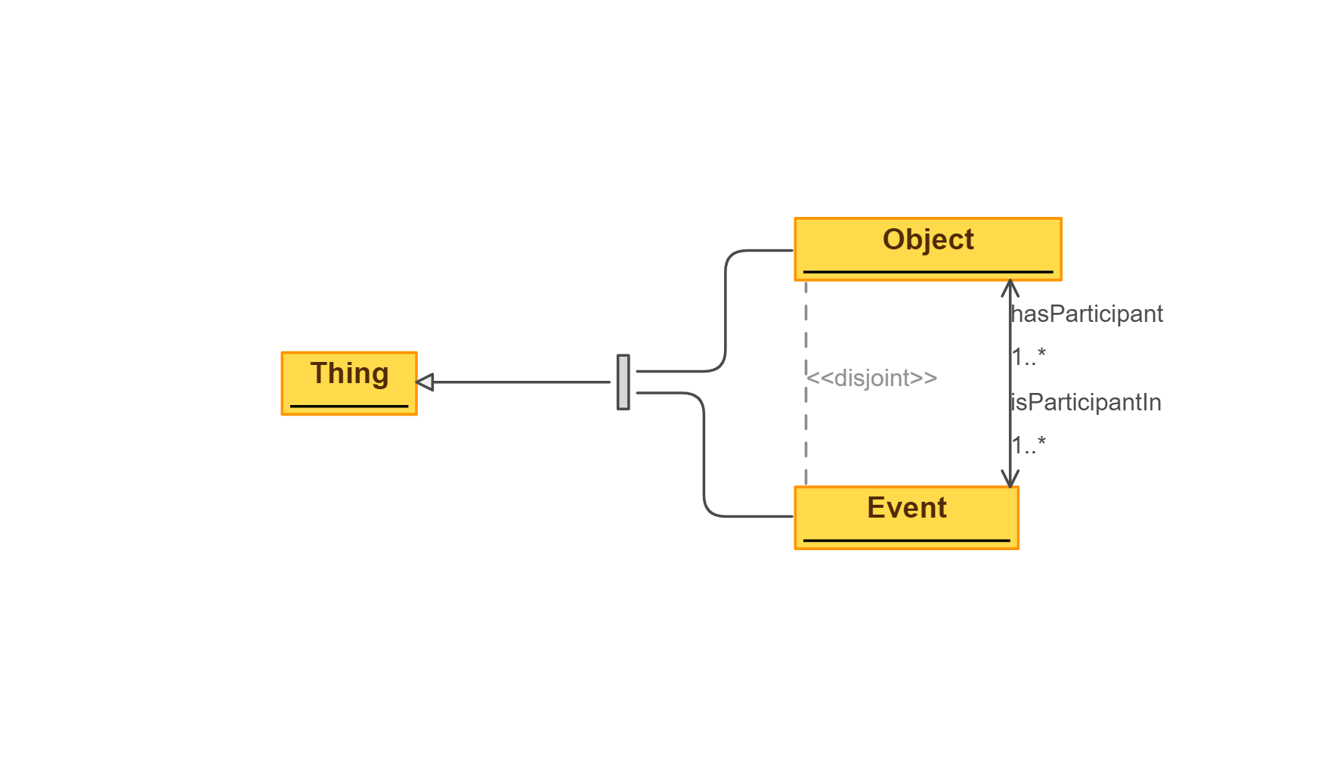
 | Triples |  | IMAGE
Node 1 | Edge | Node 2
Object | is participant in | Event
Event | has participant | Object
Object | is participant in | Event
Event | has participant | Object
Object | is participant in | Event

48 PeriodicInterval - Removed I
Source: | http://ontologydesignpatterns.org/wiki/Submissions:PeriodicInterval

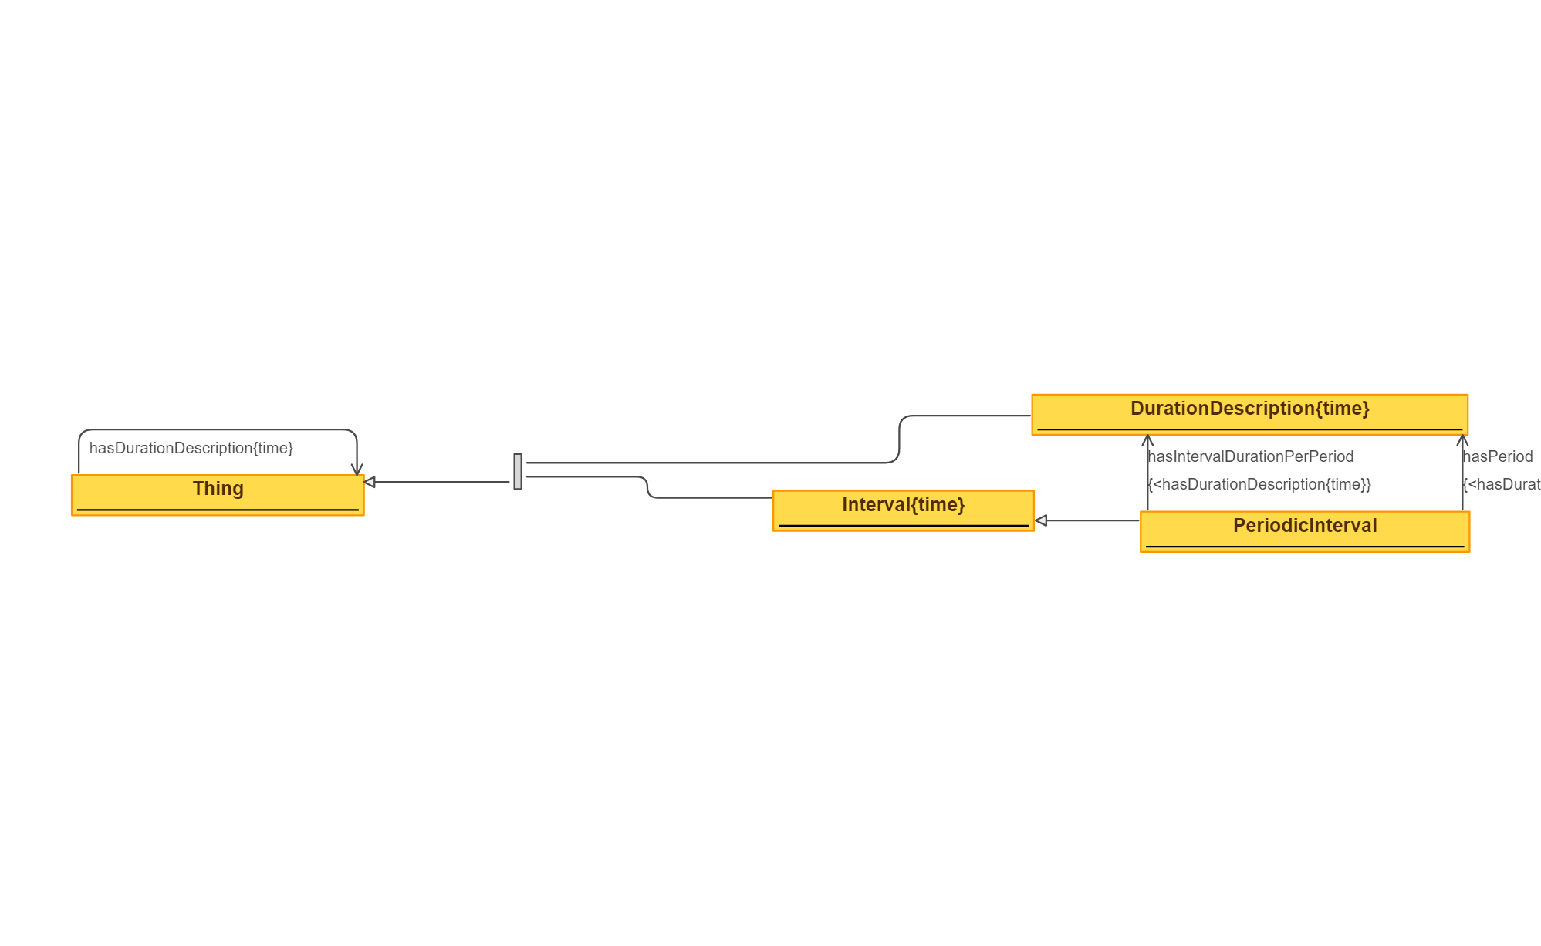
 | Triples |  | IMAGE
Node 1 | Edge | Node 2
Thing | hasDurationDescription | Thing
Periodic interval | subClassOf | Interval
Periodic interval | hasPeriod | DurationDescription
Periodic interval | hasIntervalDurationPerPeriod | DurationDescription

